Location Plan & Summary
Intelligent Data Collection Limited

Client: | Bristol City Council |  |  | Date of Survey: |  | 09.07.2015
Project Number: | ID02343 |  |  | Site Name: |  | Devon Road
Site Number: | ANPR Site 4 |  |  | Survey Type: |  | Two-way Link Count

X Coordinate |  | Y Coordinate |  |  | Google Maps Link
51.462129 |  | -2.557997 |  |  | Click Here
AM Peak Conditions |  | Inter-Peak Conditions |  |  | PM Peak Conditions
Clear and Sunny |  | Clear and Sunny |  |  | Clear and Sunny
Junction Layout

N

 |  |  |  |  |  | Arm B - Devon Rd (N)

 |  |  | Arm A - Devon Rd (S)

Aerial Mapping and On-site Camera View
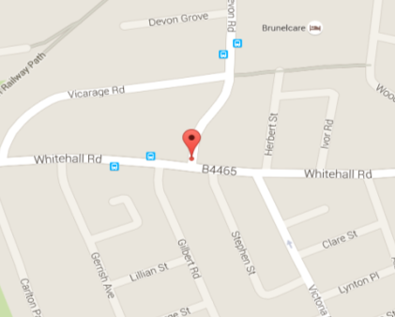

Arm A - Devon Rd (S)

Arm B - Devon Rd (N)

Junction Flow Profile
Arm Approach Flows (All Vehicles)
 | A to B (Northbound) | B to A (Southbound) | Two-way Total
7:00:00 | 22 | 19 | 41
7:15:00 | 32 | 26 | 58
7:30:00 | 36 | 30 | 66
7:45:00 | 31 | 35 | 66
8:00:00 | 26 | 54 | 80
8:15:00 | 46 | 27 | 73
8:30:00 | 39 | 48 | 87
8:45:00 | 32 | 51 | 83
9:00:00 | 51 | 42 | 93
9:15:00 | 26 | 35 | 61
9:30:00 | 40 | 41 | 81
9:45:00 | 44 | 34 | 78
10:00:00 | 44 | 39 | 83
10:15:00 | 29 | 41 | 70
10:30:00 | 38 | 30 | 68
10:45:00 | 26 | 48 | 74
11:00:00 | 48 | 33 | 81
11:15:00 | 34 | 27 | 61
11:30:00 | 41 | 31 | 72
11:45:00 | 48 | 37 | 85
12:00:00 | 27 | 35 | 62
12:15:00 | 36 | 36 | 72
12:30:00 | 30 | 31 | 61
12:45:00 | 43 | 31 | 74
13:00:00 | 28 | 33 | 61
13:15:00 | 24 | 39 | 63
13:30:00 | 31 | 28 | 59
13:45:00 | 47 | 26 | 73
14:00:00 | 41 | 30 | 71
14:15:00 | 33 | 28 | 61
14:30:00 | 39 | 27 | 66
14:45:00 | 35 | 38 | 73
15:00:00 | 33 | 41 | 74
15:15:00 | 53 | 36 | 89
15:30:00 | 51 | 52 | 103
15:45:00 | 32 | 44 | 76
16:00:00 | 37 | 46 | 83
16:15:00 | 31 | 40 | 71
16:30:00 | 35 | 40 | 75
16:45:00 | 47 | 43 | 90
17:00:00 | 53 | 29 | 82
17:15:00 | 52 | 41 | 93
17:30:00 | 34 | 37 | 71
17:45:00 | 38 | 47 | 85
18:00:00 | 41 | 39 | 80
18:15:00 | 43 | 23 | 66
18:30:00 | 43 | 38 | 81
18:45:00 | 40 | 41 | 81

Additional Notes (Factors which may impact on survey results such as accidents, roadworks, special events):

